Sheet1
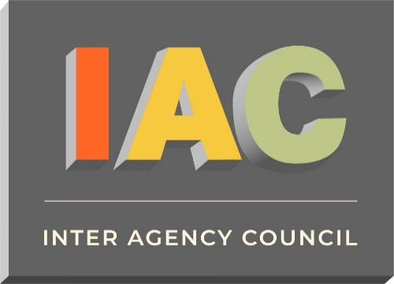

Membership Dues Preparation Form - July 1, 2024 Through June 30, 2025

From: Wini Schiff, CEO | Date: | 20-Mar-24

Attention: Designated Representative

Agency Name:
IAC Agency ID:

In preparation for calculating your membership dues for the fiscal year which begins July 1, 2024
we are requesting updated information about your gross revenue as described below.
Please provide the information as pertains to your fiscal year ending 2023
i.e. June 30, 2023, or December 31, 2023

Total funds received from the following sources, during the 2023 fiscal year.

Person Completing Form:
Title:
Telephone Number:
Email Address:

Source | Amount

OPWDD - (All Services, excluding clinics) | $-

SED ( Preschool & School Age- age 3-21 ) | $-

DOH ( Early Intervention- age 0 - 3 ) | $-

ACCES-VR | $-

Local Assistance ( Net deficit funding) | $-

Article 16 & 28 Clinic Revenue | $-
( Related to serving individuals with I/DD including as Medicare & Medicaid)

Total | $-

NOTE: THIS IS NOT A BILL

Please do not include payment at this time.

In order to avoid a 10% increase, please return the completed form
no later than May 15, 2024 by email to tiffany@iacny.org

If you have any questions about the dues calculation,
please call Jennifer Mensche at 631-847-2152

